w Answers
Single input neron
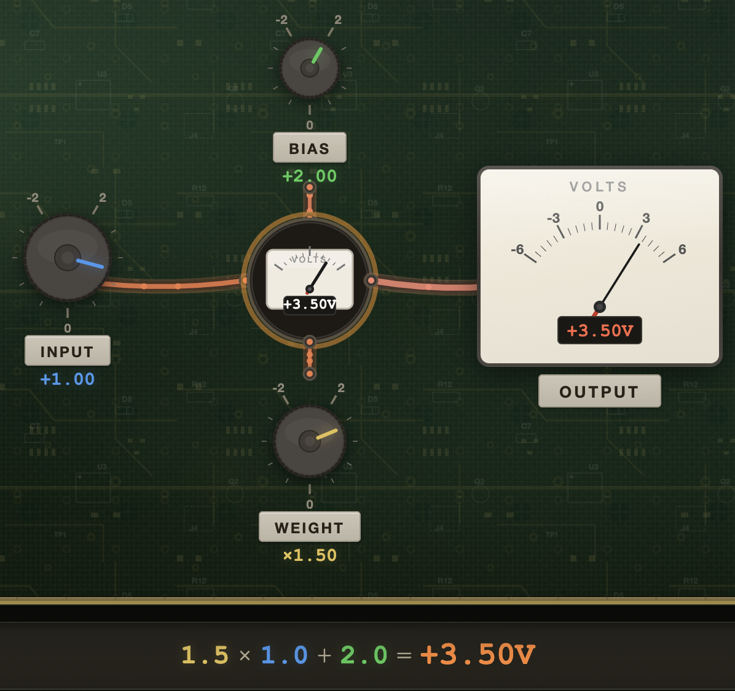
 | input | 1

 | weight | 1.5
 | bias | 2

 | output | 3.5

Multi input neuron (2 -> 1): math
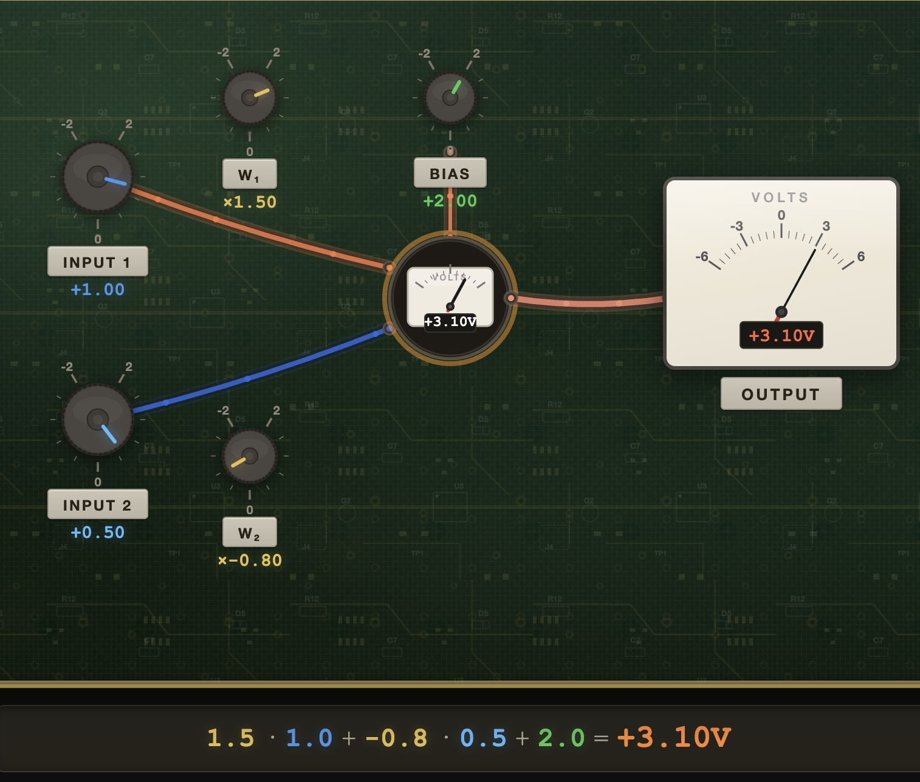
 | input | 1 | 0.5

 | weight | 1.5 | -0.8
 | bias | 2

 | output | 3.1

Multi input neuron (2 -> 1): Linear MatMul

 | input | 1
 |  | 0.5

 | weight | 1.5 | -0.8
 | bias | 2

 | output | 3.1

Multi-layer perceptron: math

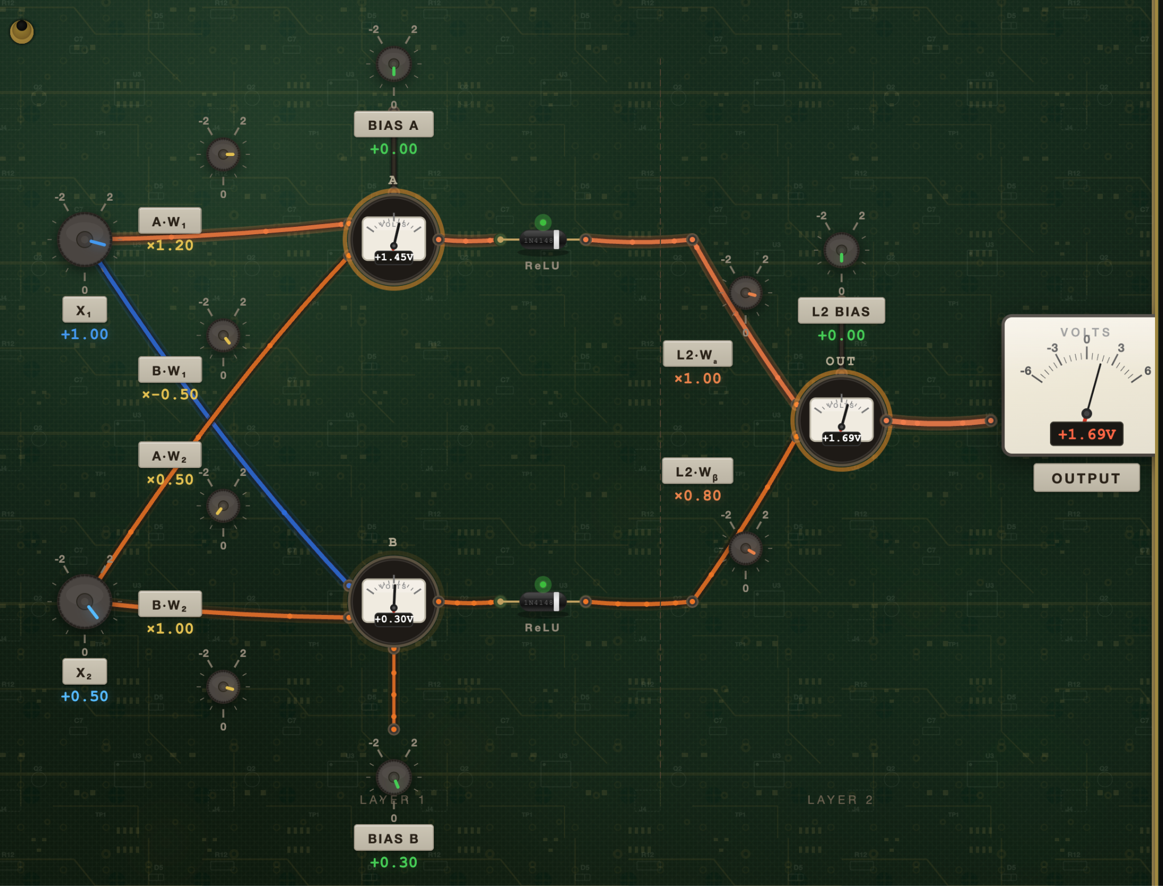
 | input | 1.0 | 0.5

 | weightW1 | 1.2 | 0.5
 | weightW2 | -0.5 | 1.0

 | biases | 0.0 | 0.3

 | Neuron A/B | 1.45 | 0.3

 | ReLU | 1.45 | 0.3

 | weights | 1.0 | 0.8
 | bias | 0.0

 | output | 1.69

Multi-layer perceptron: MMULT (2,2,1)

 | input | 1.0
 |  | 0.5

 | weightW1 | 1.2 | 0.5
 | weightW2 | -0.5 | 1.0

 | biases | 0.0
 |  | 0.3

 | Neuron A/B | 1.45
 |  | 0.3

 | ReLU | 1.45 | 0.3

 | weights | 1.0 | 0.8
 | bias | 0.0

 | output | 1.69

Multi-layer perceptron (2->2->1): MMULT, with transposition for reading in excel

 | input | 1.0 | 0.5

 | weightW1 | 1.2 | 0.5
 | weightW2 | -0.5 | 1.0

 | biases | 0.0 | 0.3

 | Neuron A/B | 1.45 | 0.3

 | ReLU | 1.45 | 0.3

 | weights | 1.0 | 0.8
 | bias | 0.0

 | output | 1.69

Multi-layer perceptron (2->2->1): MMULT, with biases in the same matrix

 | input | 1.0 | 0.5 | 1

 |  |  |  | biases
 | weightW1 | 1.2 | 0.5 | 0.0
 | weightW2 | -0.5 | 1.0 | 0.3

 | Neuron A/B | 1.45 | 0.3

 | ReLU | 1.45 | 0.3 | 1

 |  |  |  | bias
 | weights | 1.0 | 0.8 | 0.0

 | output | 1.69

XOR
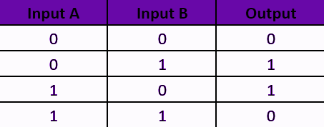
 | inputs | 0 | 0
 |  | 0 | 1
 |  | 1 | 0
 |  | 1 | 1

 | weightW1 | 1.0 | 1.0
 | weightW2 | 1.0 | 1.0

 | biases | -0.5 | -1.5

 | Layer 1 | -0.50 | 0.5 | 0.5 | 1.5
 |  | -1.5 | -0.5 | -0.5 | 0.5

 | ReLU | 0.0 | 0.5 | 0.5 | 1.5
 |  | 0.0 | 0.0 | 0.0 | 0.5

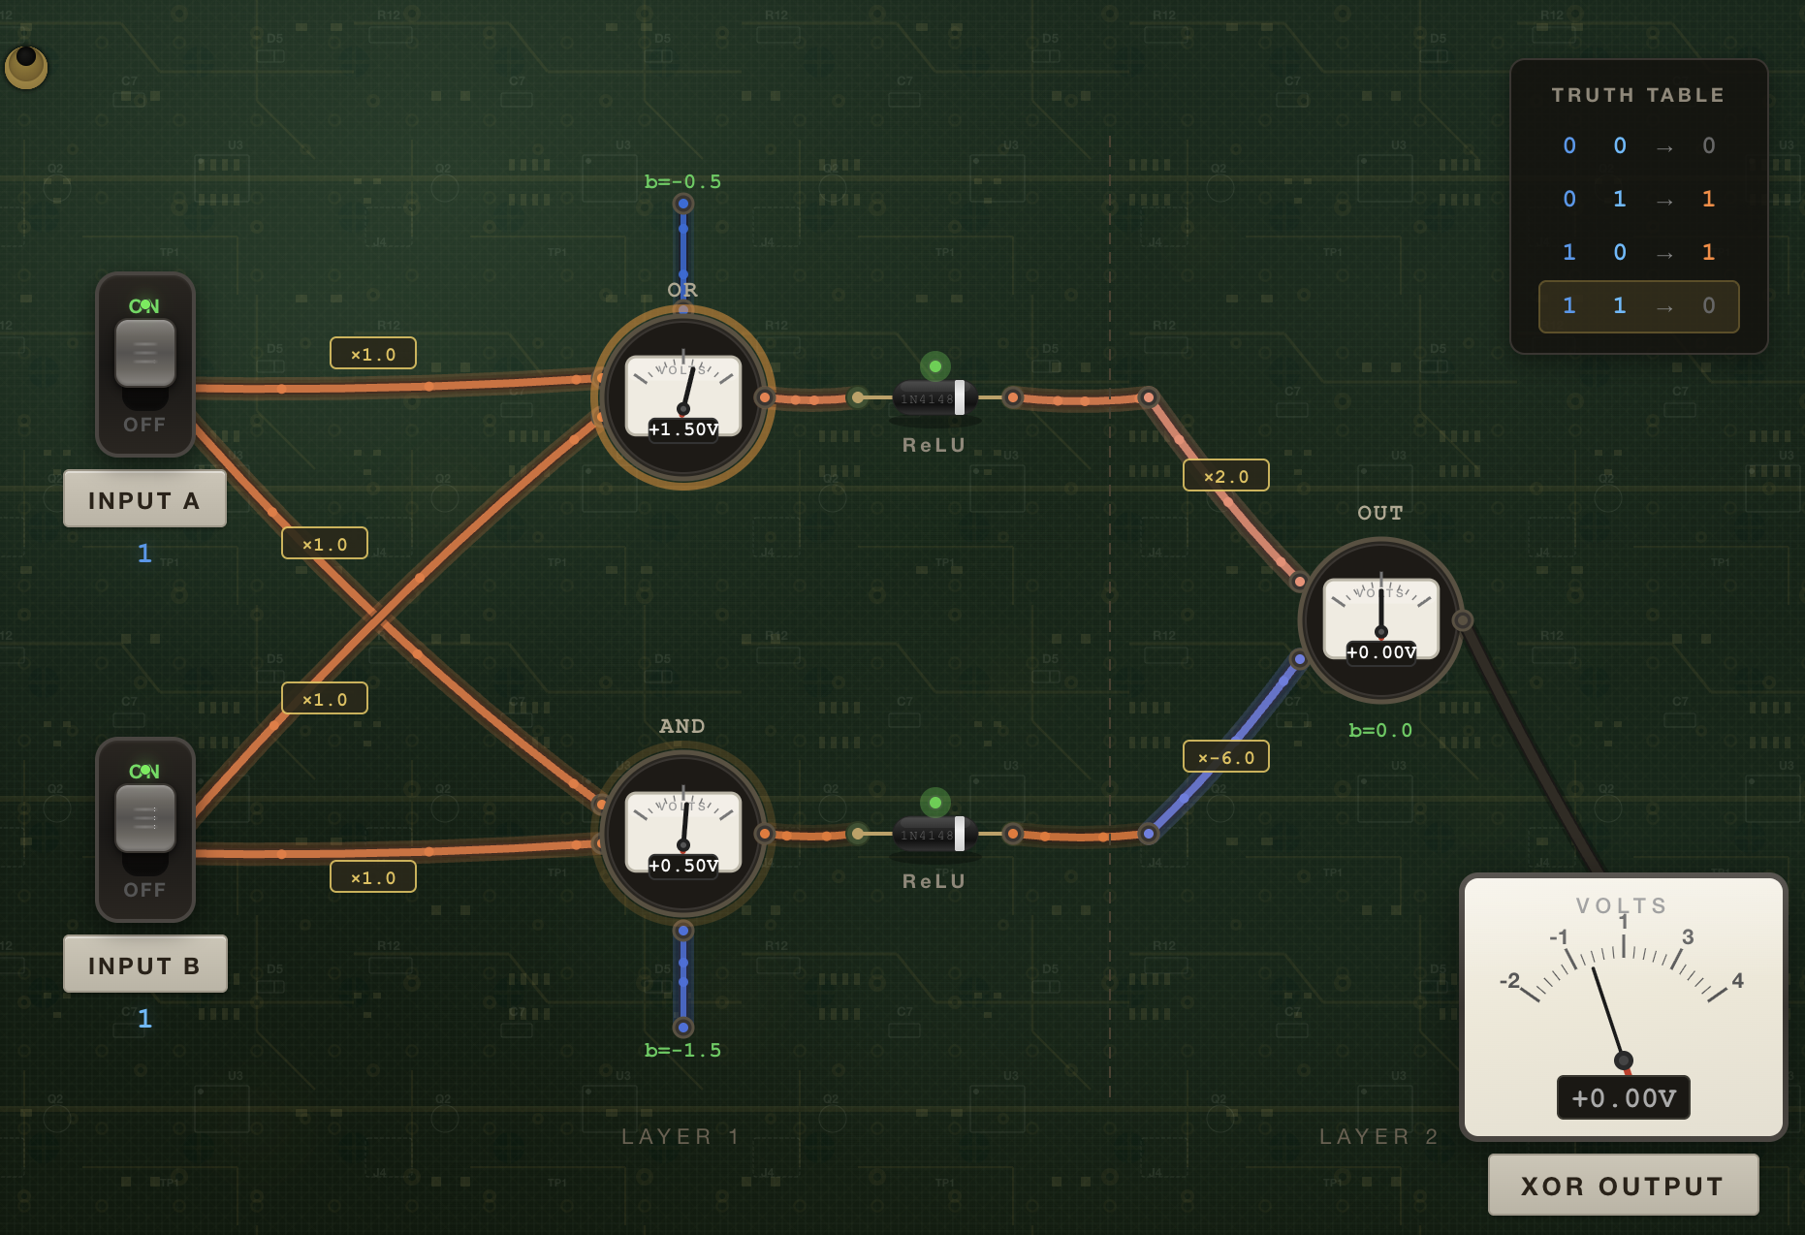
 | weights | 2.0 | -6.0
 | bias | 0.0

 | output | 0
 |  | 1
 |  | 1
 |  | 0

XOR , with bias attached

 | inputs | 0 | 0 | 1
 |  | 0 | 1 | 1
 |  | 1 | 0 | 1
 |  | 1 | 1 | 1

 |  |  |  | bias
 | weights | 1.0 | 1.0 | -0.5
 |  | 1.0 | 1.0 | -1.5

 | Layer 1 | -0.50 | 0.5 | 0.5 | 1.5
 |  | -1.5 | -0.5 | -0.5 | 0.5

 | ReLU | 0.0 | 0.5 | 0.5 | 1.5
 |  | 0.0 | 0.0 | 0.0 | 0.5
 |  | 1 | 1 | 1 | 1

 |  |  |  | bias
 | weights | 2.0 | -6.0 | 0.0

 | output | 0 | 1 | 1 | 0

MLP: 4x4 input -> 16x16 hidden -> 4x4 output

 | Input | 0.9 | 0.8 | 0.7 | 1.0 |  | Hidden1 | 0.4 | 1.0 | 0.7 | 0.7
 | 4x4 | 0.0 | 0.4 | 0.8 | 0.6 |  | Growing | 0.6 | 0.7 | 0.7 | 0.7
 |  | 0.2 | 0.4 | 0.8 | 0.9 |  | 4x16 | 0.1 | 0.8 | 0.2 | 0.0
 |  | 0.0 | 0.3 | 0.7 | 0.7 |  |  | 0.2 | 0.0 | 0.1 | 0.5
 |  |  |  |  |  |  |  | 0.3 | 0.9 | 0.8 | 0.9
 |  |  |  |  |  |  |  | 0.5 | 0.9 | 0.8 | 0.3
 |  |  |  |  |  |  |  | 0.1 | 0.1 | 0.8 | 0.6
 |  |  |  |  |  |  |  | 0.3 | 0.4 | 0.7 | 0.5
 |  |  |  |  | Input @ Hidden1 |  |  | 0.5 | 0.5 | 0.5 | 0.4
 | Hidden1 | 0.6 | 1.3 | 2.2 | 2.2 |  |  | 0.3 | 0.1 | 0.6 | 0.9
 | Activation | 0.7 | 1.2 | 2.0 | 2.0 |  |  | 0.6 | 0.6 | 0.9 | 0.0
 | 4x16 | 0.2 | 0.5 | 0.9 | 0.8 |  |  | 0.5 | 0.5 | 0.3 | 0.4
 |  | 0.2 | 0.3 | 0.6 | 0.6 |  |  | 0.6 | 0.3 | 0.9 | 0.8
 |  | 0.5 | 1.2 | 2.3 | 2.2 |  |  | 0.5 | 0.3 | 0.4 | 0.5
 |  | 0.7 | 1.2 | 1.9 | 2.0 |  |  | 0.2 | 0.7 | 0.1 | 0.1
 |  | 0.3 | 0.7 | 1.3 | 1.4 |  |  | 0.5 | 0.9 | 0.9 | 0.9
 |  | 0.4 | 0.9 | 1.5 | 1.5
 |  | 0.6 | 1.0 | 1.5 | 1.6
 |  | 0.4 | 0.9 | 1.5 | 1.6
 |  | 0.7 | 1.1 | 1.6 | 1.7
 |  | 0.6 | 0.9 | 1.4 | 1.4
 |  | 0.8 | 1.3 | 2.1 | 2.3 |  | Hidden2 | 0.4 | 0.7 | 0.9 | 0.3 | 0.3 | 0.5 | 0.6 | 0.1 | 1.0 | 0.4 | 0.8 | 0.2 | 0.2 | 0.9 | 0.1 | 0.4
 |  | 0.6 | 0.9 | 1.3 | 1.4 |  | Shrinking | 0.1 | 0.9 | 0.5 | 0.4 | 0.6 | 0.5 | 0.2 | 0.8 | 0.5 | 0.7 | 0.1 | 0.8 | 0.6 | 0.2 | 0.0 | 1.0
 |  | 0.2 | 0.5 | 0.9 | 0.8 |  | 16x4 | 0.9 | 0.2 | 0.4 | 0.9 | 0.4 | 0.5 | 1.0 | 0.4 | 0.4 | 0.4 | 0.4 | 0.3 | 0.2 | 0.5 | 0.1 | 0.0
 |  | 0.7 | 1.5 | 2.5 | 2.6 |  |  | 0.4 | 0.7 | 0.3 | 0.6 | 0.3 | 0.1 | 0.5 | 0.8 | 0.3 | 0.1 | 0.0 | 1.0 | 0.9 | 0.7 | 0.1 | 0.7

 |  |  |  |  | activation @ Hidden2
 | Output | 4.1 | 7.5 | 12.2 | 12.6
 | 4x4 | 4.3 | 8.3 | 13.6 | 14.1
 |  | 3.2 | 6.2 | 10.2 | 10.5
 |  | 4.0 | 7.4 | 12.1 | 12.6

MLP: 5x4 input -> 8 hidden -> 16 -> 5x1 output

 | Input | 0.70 | 0.81 | 0.91 | 0.15 | 0.36 | Hidden1 | 0.24 | 0.54 | 0.34 | 0.81
 | 5x4 | 0.53 | 0.96 | 0.48 | 0.94 | 0.71 | 4x8 | 0.03 | 0.80 | 0.01 | 0.11
 |  | 0.09 | 0.49 | 0.28 | 0.42 | 0.77 |  | 0.51 | 0.52 | 0.16 | 0.65
 |  | 0.76 | 0.23 | 0.80 | 0.57 | 0.55 |  | 0.89 | 0.76 | 0.93 | 0.26
 |  |  |  |  |  |  |  | 0.86 | 0.97 | 0.19 | 0.65
 |  |  |  |  |  |  |  | 0.89 | 0.46 | 0.11 | 0.51
 |  |  |  |  |  |  |  | 0.44 | 0.75 | 0.94 | 0.17
 |  |  |  |  |  |  |  | 0.92 | 0.34 | 0.20 | 0.55

 | Hidden1 | 1.11 | 1.07 | 1.22 | 1.15 | 1.17 | Hidden2 | 0.55 | 0.68 | 0.07 | 0.54 | 0.11 | 0.45 | 0.58 | 1.00
 | Activation | 0.53 | 0.82 | 0.50 | 0.82 | 0.65 | 8x16 | 0.96 | 0.66 | 0.54 | 0.05 | 0.93 | 0.45 | 0.83 | 0.68
 | 5x8 | 1.14 | 1.14 | 1.27 | 1.00 | 1.03 |  | 0.14 | 0.96 | 0.66 | 0.84 | 0.94 | 0.53 | 0.09 | 0.78
 |  | 1.31 | 1.97 | 1.64 | 1.39 | 1.72 |  | 0.53 | 0.97 | 0.76 | 0.46 | 0.31 | 0.20 | 0.16 | 0.49
 |  | 1.63 | 1.88 | 1.82 | 1.49 | 1.51 |  | 0.38 | 0.70 | 0.47 | 0.75 | 0.36 | 0.57 | 0.88 | 0.20
 |  | 1.27 | 1.34 | 1.47 | 0.91 | 1.02 |  | 0.97 | 0.17 | 0.36 | 0.89 | 0.13 | 0.57 | 0.44 | 1.00
 |  | 0.93 | 1.58 | 1.16 | 1.27 | 1.51 |  | 0.88 | 0.10 | 0.63 | 0.15 | 0.56 | 0.58 | 0.80 | 0.44
 |  | 1.26 | 1.30 | 1.49 | 0.86 | 1.03 |  | 0.96 | 0.89 | 0.26 | 0.22 | 0.01 | 0.29 | 0.73 | 0.60
 |  |  |  |  |  |  |  | 0.06 | 0.91 | 0.29 | 0.12 | 0.50 | 0.50 | 0.14 | 0.81
 |  |  |  |  |  |  |  | 0.53 | 0.70 | 0.04 | 0.90 | 0.78 | 0.66 | 0.30 | 0.08
 | Hidden2 | 4.30 | 5.33 | 5.01 | 4.18 | 4.62 |  | 0.50 | 0.82 | 0.70 | 0.22 | 0.78 | 0.47 | 0.34 | 0.61
 | Activation | 5.79 | 6.83 | 6.58 | 5.68 | 6.00 |  | 0.02 | 0.04 | 0.90 | 0.14 | 0.42 | 0.97 | 0.43 | 0.84
 | 8x16 | 5.77 | 6.98 | 6.61 | 5.44 | 5.80 |  | 0.41 | 0.28 | 0.64 | 0.56 | 0.12 | 0.29 | 0.22 | 0.49
 |  | 4.09 | 4.88 | 4.62 | 4.08 | 4.24 |  | 0.45 | 0.58 | 0.76 | 0.62 | 0.33 | 0.13 | 0.70 | 0.26
 |  | 4.68 | 6.09 | 5.45 | 4.87 | 5.33 |  | 0.37 | 0.21 | 0.46 | 0.75 | 0.11 | 0.12 | 0.27 | 0.60
 |  | 5.34 | 6.35 | 6.26 | 4.98 | 5.63 |  | 0.83 | 0.62 | 0.95 | 0.51 | 0.86 | 0.87 | 0.20 | 0.99
 |  | 4.88 | 5.71 | 5.62 | 4.69 | 5.11
 |  | 3.92 | 4.83 | 4.48 | 4.11 | 4.38
 |  | 3.64 | 4.29 | 4.12 | 3.36 | 3.49
 |  | 4.68 | 5.91 | 5.39 | 4.70 | 5.06
 |  | 5.02 | 5.88 | 5.68 | 4.81 | 5.02
 |  | 4.64 | 5.25 | 5.38 | 3.95 | 4.38
 |  | 3.44 | 4.10 | 4.00 | 3.26 | 3.60
 |  | 4.17 | 5.30 | 4.82 | 4.35 | 4.72
 |  | 3.35 | 4.13 | 3.93 | 3.22 | 3.63 | Output | 0.36 | 0.08 | 0.24 | 0.97 | 0.83 | 0.42 | 0.30 | 0.46 | 0.89 | 0.01 | 0.40 | 0.14 | 0.36 | 0.62 | 0.96 | 0.97
 |  | 6.93 | 7.88 | 7.91 | 6.30 | 6.73 | 16x1

 | Output | 36.5 | 43.9 | 41.9 | 35.3 | 38.0
 | 5x1

